Box
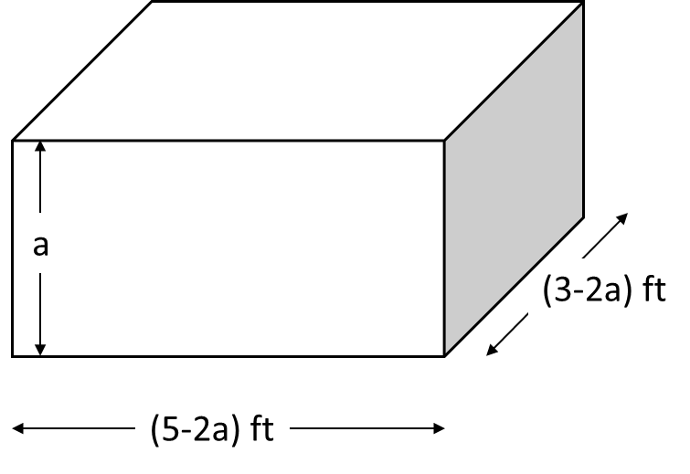
Solver Tool for Optimization Problems
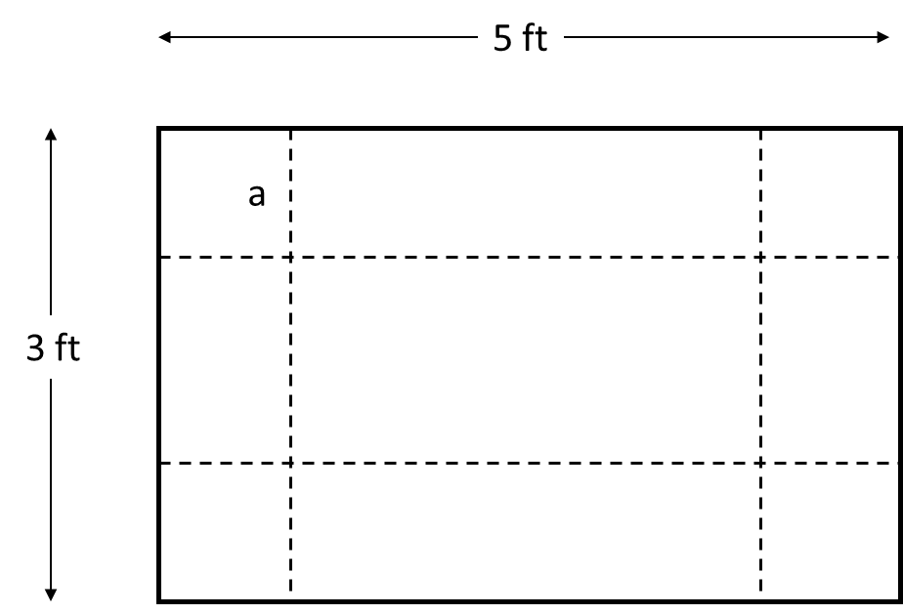
a: | ft
Volume: | ft^3

